Model
 | Maximal Flow -> |  |  | 451

Units of Flow | Links |  |  |  | Upper Bound |  |  |  |  |  | Supply / Demand
 | From |  | To |  |  | Nodes |  | Inflow | Outflow | Net Flow
149 | 0 | Choco Volcano | 1 | Coconut Cluster Caves | 149 | 0 | Choco Volcano | 451 | 451 | 0 | 0
168 | 0 | Choco Volcano | 2 | Fruity Gusher Geyser | 168 | 1 | Coconut Cluster Caves | 317 | 317 | 0 | 0
134 | 0 | Choco Volcano | 3 | Peppermint Peninsula | 237 | 2 | Fruity Gusher Geyser | 168 | 168 | 0 | 0
100 | 1 | Coconut Cluster Caves | 4 | Praline Park | 100 | 3 | Peppermint Peninsula | 134 | 134 | 0 | 0
148 | 1 | Coconut Cluster Caves | 5 | Pudding Peaks | 148 | 4 | Praline Park | 100 | 100 | 0 | 0
69 | 1 | Coconut Cluster Caves | 6 | Smores Summit | 258 | 5 | Pudding Peaks | 148 | 148 | 0 | 0
168 | 2 | Fruity Gusher Geyser | 1 | Coconut Cluster Caves | 221 | 6 | Smores Summit | 351 | 351 | 0 | 0
0 | 2 | Fruity Gusher Geyser | 3 | Peppermint Peninsula | 96 | 7 | Strawberry Swirl Stream | 451 | 451 | 0 | 0
0 | 2 | Fruity Gusher Geyser | 4 | Praline Park | 73
0 | 2 | Fruity Gusher Geyser | 5 | Pudding Peaks | 119
134 | 3 | Peppermint Peninsula | 6 | Smores Summit | 134
100 | 4 | Praline Park | 7 | Strawberry Swirl Stream | 159 | Nodes |  | Inflow | SUM | Capacity | Classification
0 | 4 | Praline Park | 5 | Pudding Peaks | 236 | 0 | Choco Volcano | 451 | 690 | 65.36% | Normal
0 | 5 | Pudding Peaks | 7 | Strawberry Swirl Stream | 159 | 1 | Coconut Cluster Caves | 317 | 370 | 85.68% | Normal
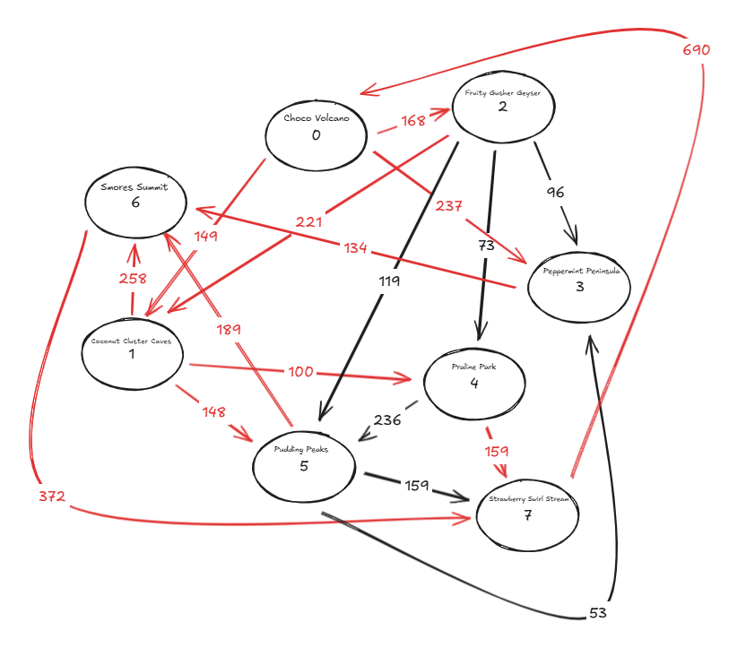
0 | 5 | Pudding Peaks | 3 | Peppermint Peninsula | 53 | 2 | Fruity Gusher Geyser | 168 | 168 | 100.00% | At Capacity
148 | 5 | Pudding Peaks | 6 | Smores Summit | 189 | 3 | Peppermint Peninsula | 134 | 386 | 34.72% | Underutilized
351 | 6 | Smores Summit | 7 | Strawberry Swirl Stream | 372 | 4 | Praline Park | 100 | 173 | 57.80% | Normal
451 | 7 | Strawberry Swirl Stream | 0 | Choco Volcano | 690 | 5 | Pudding Peaks | 148 | 503 | 29.42% | Underutilized
 |  |  |  |  |  | 6 | Smores Summit | 351 | 581 | 60.41% | Normal
 |  |  |  |  |  | 7 | Strawberry Swirl Stream | 451 | 690 | 65.36% | Normal

